Test Execution Summary
Test Execution Summary

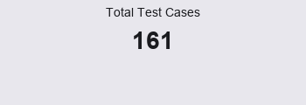
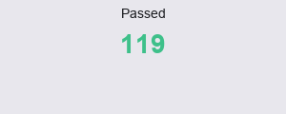
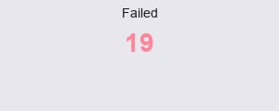
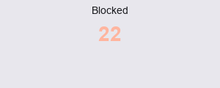

Test Execution Results
Status | Count
Passed | 119
Failed | 19
Blocked | 22
N/A | 1
Total | 161

